Sheet1
DATES | Investment | XIRR
01/01/2022 | -1000 | 14.90%
02/01/2022 | -1000
03/01/2022 | -1000 | Instructions:
04/01/2022 | -1000 | 1. Input your transaction dates. (mm/dd/yyyy)
05/01/2022 | -1000 | 2. Input your investment/redemption amount.
06/01/2022 | -1000 | 3. Use XIRR formula as instructed
07/01/2022 | -1000
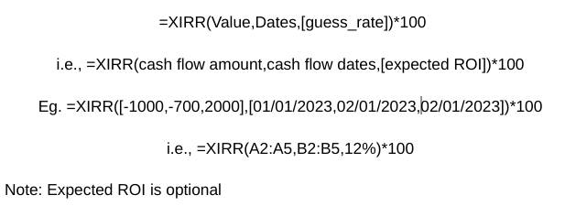
08/01/2022 | -1000
09/01/2022 | -1000
10/01/2022 | -1000
11/01/2022 | -1000
12/01/2022 | -1000
12/01/2022 | 12,800

